Sheet1
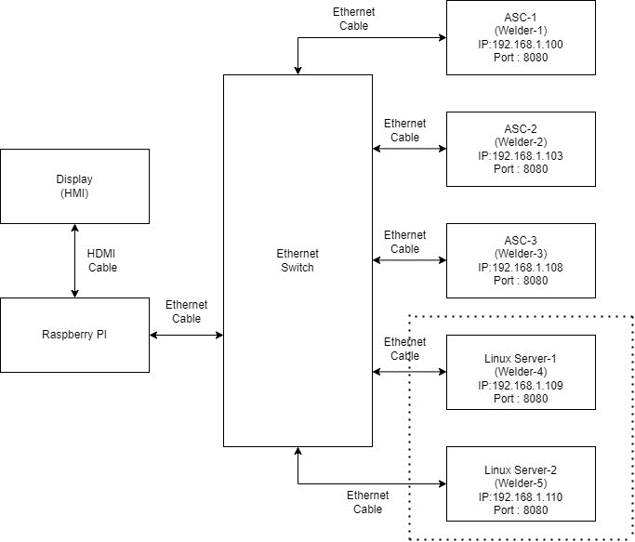
Test ID | Test description | Test Result | Remark | Important Notes
1 | Test scenario : To test Get data functionality working with sample hardcoded production screen MB's contents. Expected Result : Debug log shall show hard coded data on console (except cycle count). | PASS | Test Code : Unit Test\Screens\Implementation Of Production Screen\Code Snippet\UpdateScreen.cpp Test Logs : Unit Test\Screens\Implementation Of Production Screen\Result Captures\GetData MBLog.PNG | Test ID 1 and 2 consist of self generated data (hard coded) so no server application need to be run.
2 | Test scenario : Update screen signal generation using local Qtimer to check production screen variable update functionality. Expected Result : Hard coded data shall display on HMI screen (except cycle count). | PASS
3 | Test scenario : To check multiple servers connectivity with HMI client Test Procedure : - Here each thread represent one welder. To display respective fame data and frame count update, run 3 servers on each console with seperate IP address. - Run the HMI. Expected Result : - For each server Recipe name and frame count should update on HMI. | PASS | Test Code : Unit Test\Screens\Implementation Of Production Screen\Code Snippet\ProductionScreenInterface.cpp Results Snaps : Unit Test\Screens\Implementation Of Production Screen\Result Captures\ProductionScreen.PNG. | In Test ID 3, Server should run in Linux environment, where each server application need to be run with seperate console. These server acts as a individual thread for client. Here, hard coded data shall display on production screen cyclically with each welders frame count.
4 | Test Scenario : Dynamic welder functionality by changing configured welders parameters in BIOConfig.cpp. Test Procedure : To change welder, user need to comment out welder section based on number of welder need to be configure. File BIOConfig.cpp is kept in Code Snippet folder. Expected Result : - Number of welders configured should be based on welders configured in BIOConfig.cpp. - For example, number of configured welders are two. Then, communication should get establish with them which we should able to verify on screen, where peer count updates visible for Welder 1 and Welder 2. While, Welder 3 count should be zero. - For more than 3 welder configuration, result can be verified on console logs only as screen can show 3 welders communication status.(Refer results snaps section for same) HW Setup : Refer below diagram for hardware connections and IP configuration. | PASS | Test Code : Unit Test\Screens\Implementation Of Production Screen\Code Snippet\BIOConfig.cpp Test Logs : Unit Test\Screens\Implementation Of Production Screen\Result Captures\Multi Welders Logs Results Snaps : Unit Test\Screens\Implementation Of Production Screen\Result Captures\Multi Welders Screens | In Test ID 4, we should test upto 3 welders (servers) with actual hardware where for more than 3, remaining server shall run in Linux environment. We should see cycle count update by pressing palm button if welder is connected with full set up(with DCX 2000 actuator). Otherwise toggle switch key should use for updating the cycle count.

